IMPORTANT NOTICE
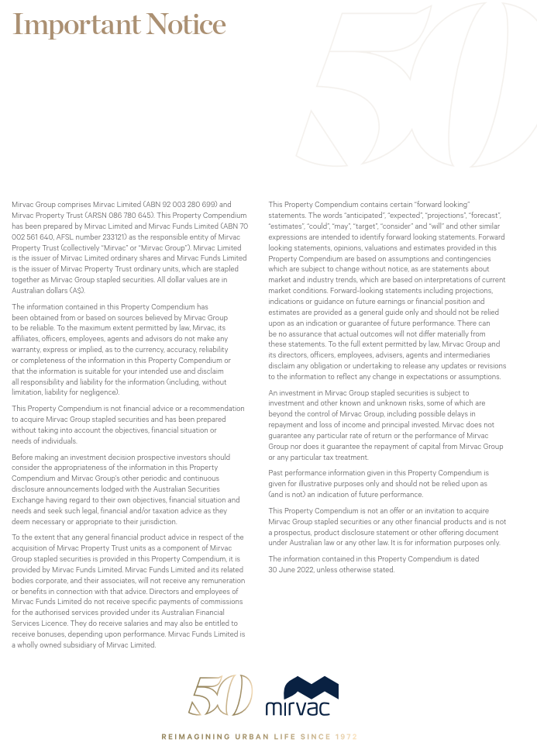

INVESTMENT PORTFOLIO
INVESTMENT: FY22 GEOGRAPHIC DIVERSIFICATION |  |  |  |  | INVESTMENT: FY22 DIVERSIFICATION BY SECTOR

NSW | 63% |  |  |  | Office | 62%
VIC | 21% |  |  |  | Industrial | 12%
QLD | 10% |  |  |  | Retail | 21%
WA | 3% |  |  |  | Build to Rent | 5%
ACT | 3% |  |  |  |  | 100%
 | 100%

INVESTMENT: LEASE EXPIRY PROFILE (by income)

Year | Vacant | FY23 | FY24 | FY25 | FY26 | FY27 | FY28+
Expiry profile | 4% | 12% | 10% | 10% | 6% | 13% | 45% | 100%

OFFICE PORTFOLIO
OFFICE: FY22 DIVERSIFICATION BY GRADE |  |  |  |  |  |  | OFFICE: FY22 GEOGRAPHIC DIVERSIFICATION

Premium | 42% |  |  |  |  |  | Sydney | 55%
A Grade | 57% |  |  |  |  |  | Melbourne | 29%
B Grade | 1% |  |  |  |  |  | Perth | 6%
 | 100% |  |  |  |  |  | Canberra | 5%
 |  |  |  |  |  |  | Brisbane | 5%
 |  |  |  |  |  |  |  | 100%

OFFICE: LEASE EXPIRY PROFILE (by income)

Year | Vacant | FY23 | FY24 | FY25 | FY26 | FY27 | FY28+
Expiry profile | 5% | 5% | 8% | 10% | 6% | 15% | 51% | 100%

INDUSTRIAL PORTFOLIO
INDUSTRIAL: FY22 GEOGRAPHIC DIVERSIFICATION |  | INDUSTRIAL: LEASE EXPIRY PROFILE (by income)

Sydney | 100% | Year | Vacant | FY23 | FY24 | FY25 | FY26 | FY27 | FY28+
 | 100% | Expiry profile | 0% | 6% | 16% | 4% | 5% | 7% | 62% | 100%

RETAIL PORTFOLIO
RETAIL: FY22 DIVERSIFICATION BY GRADE |  |  |  |  |  |  | RETAIL: FY22 GEOGRAPHIC DIVERSIFICATION

Regional | 42% |  |  |  |  |  | NSW | 68%
Sub regional | 30% |  |  |  |  |  | QLD | 26%
Outlet | 15% |  |  |  |  |  | VIC | 3%
Neighbourhood | 7% |  |  |  |  |  | ACT | 3%
CBD Retail | 6% |  |  |  |  |  |  | 100%
 | 100%

RETAIL: LEASE EXPIRY PROFILE (by income)

Year | Vacant | FY23 | FY24 | FY25 | FY26 | FY27 | FY28+
Expiry profile | 3% | 32% | 13% | 12% | 7% | 10% | 23% | 100%

