IMPORTANT NOTICE
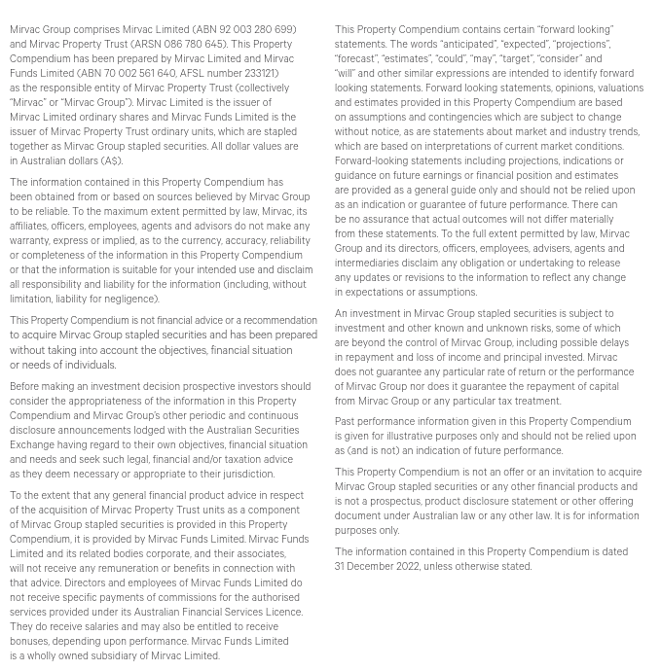

INVESTMENT PORTFOLIO
INVESTMENT: 1H23 GEOGRAPHIC DIVERSIFICATION |  |  |  |  | INVESTMENT: 1H23 DIVERSIFICATION BY SECTOR

NSW | 62% |  |  |  | Office | 60%
VIC | 23% |  |  |  | Industrial | 12%
QLD | 9% |  |  |  | Retail | 22%
WA | 4% |  |  |  | Build to Rent | 6%
ACT | 2% |  |  |  |  | 100%
 | 100%

INVESTMENT: LEASE EXPIRY PROFILE (by income)

Year | Vacant | 2H23 | FY24 | FY25 | FY26 | FY27 | FY28+
Expiry profile | 4% | 9% | 10% | 10% | 7% | 13% | 47% | 100%

OFFICE PORTFOLIO
OFFICE: 1H23 DIVERSIFICATION BY GRADE |  |  |  |  |  |  | OFFICE: 1H23 GEOGRAPHIC DIVERSIFICATION

Premium | 42% |  |  |  |  |  | Sydney | 57%
A Grade | 56% |  |  |  |  |  | Melbourne | 30%
B Grade | 2% |  |  |  |  |  | Perth | 5%
 | 100% |  |  |  |  |  | Birsbane | 5%
 |  |  |  |  |  |  | Canberra | 3%
 |  |  |  |  |  |  |  | 100%

OFFICE: LEASE EXPIRY PROFILE (by income)

Year | Vacant | 2H23 | FY24 | FY25 | FY26 | FY27 | FY28+
Expiry profile | 5% | 5% | 6% | 10% | 7% | 15% | 52% | 100%

INDUSTRIAL PORTFOLIO
INDUSTRIAL: 1H23 GEOGRAPHIC DIVERSIFICATION |  | INDUSTRIAL: LEASE EXPIRY PROFILE (by income)

Sydney | 100% | Year | Vacant | 2H23 | FY24 | FY25 | FY26 | FY27 | FY28+
 | 100% | Expiry profile | 0% | 1% | 16% | 4% | 5% | 7% | 67% | 100%

RETAIL PORTFOLIO
RETAIL: 1H23 DIVERSIFICATION BY GRADE |  |  |  |  |  |  | RETAIL: 1H23 GEOGRAPHIC DIVERSIFICATION

Regional | 42% |  |  |  |  |  | NSW | 67%
Sub regional | 30% |  |  |  |  |  | QLD | 26%
Outlet | 16% |  |  |  |  |  | VIC | 4%
Neighbourhood | 7% |  |  |  |  |  | ACT | 3%
CBD Retail | 5% |  |  |  |  |  |  | 100%
 | 100%

RETAIL: LEASE EXPIRY PROFILE (by income)

Year | Vacant | 2H23 | FY24 | FY25 | FY26 | FY27 | FY28+
Expiry profile | 2% | 24% | 16% | 14% | 7% | 11% | 26% | 100%

