IMPORTANT NOTICE
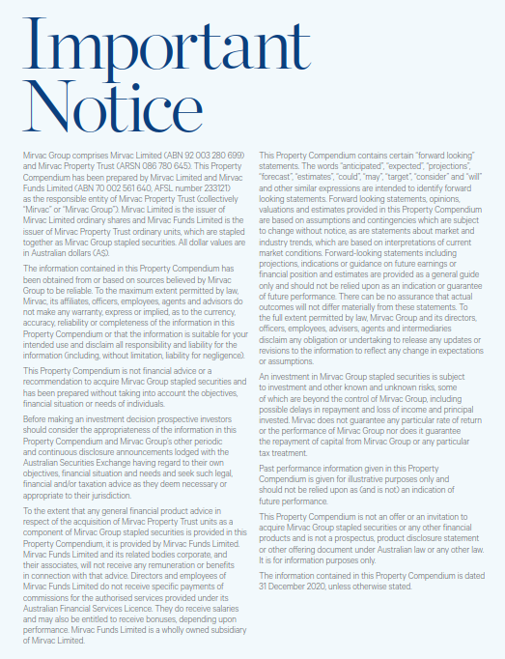

INVESTMENT PORTFOLIO
INVESTMENT: 1H21 GEOGRAPHIC DIVERSIFICATION |  |  |  |  | INVESTMENT: 1H21 DIVERSIFICATION BY SECTOR

NSW | 64% |  |  |  | Office | 63%
VIC | 19% |  |  |  | Industrial | 8%
QLD | 10% |  |  |  | Retail | 27%
WA | 4% |  |  |  | Build to Rent | 2%
ACT | 3% |  |  |  |  | 100%
 | 100%

INVESTMENT: LEASE EXPIRY PROFILE (by income)

Year | Vacant | 2H21 | FY22 | FY23 | FY24 | FY25 | FY26+
Expiry profile | 4% | 7% | 9% | 10% | 10% | 10% | 50% | 100%

OFFICE PORTFOLIO
OFFICE: 1H21 DIVERSIFICATION BY GRADE |  |  |  |  |  |  | OFFICE: 1H21 GEOGRAPHIC DIVERSIFICATION

Premium | 38% |  |  |  |  |  | Sydney | 57%
A Grade | 60% |  |  |  |  |  | Melbourne | 30%
B Grade | 1% |  |  |  |  |  | Perth | 6%
Other | 1% |  |  |  |  |  | Canberra | 4%
 | 100% |  |  |  |  |  | Brisbane | 3%
 |  |  |  |  |  |  |  | 100%

OFFICE: LEASE EXPIRY PROFILE (by income)

Year | Vacant | 2H21 | FY22 | FY23 | FY24 | FY25 | FY26+
Expiry profile | 5% | 4% | 6% | 8% | 7% | 10% | 60% | 100%

INDUSTRIAL PORTFOLIO
INDUSTRIAL: 1H21 GEOGRAPHIC DIVERSIFICATION |  | INDUSTRIAL: LEASE EXPIRY PROFILE (by income)

Sydney | 100% | Year | Vacant | 2H21 | FY22 | FY23 | FY24 | FY25 | FY26+
 | 100% | Expiry profile | 1% | 3% | 6% | 7% | 16% | 4% | 63% | 100%

RETAIL PORTFOLIO
RETAIL: 1H21 DIVERSIFICATION BY GRADE |  |  |  |  |  |  | RETAIL: 1H21 GEOGRAPHIC DIVERSIFICATION

Regional | 43% |  |  |  |  |  | NSW | 65%
Sub regional | 23% |  |  |  |  |  | QLD | 30%
Outlet | 13% |  |  |  |  |  | VIC | 3%
CBD Retail | 12% |  |  |  |  |  | ACT | 2%
Neighbourhood | 9% |  |  |  |  |  |  | 100%
 | 100%

RETAIL: LEASE EXPIRY PROFILE (by income)

Year | Vacant | 2H21 | FY22 | FY23 | FY24 | FY25 | FY26+
Expiry profile | 2% | 15% | 15% | 15% | 13% | 10% | 30% | 100%

