IMPORTANT NOTICE
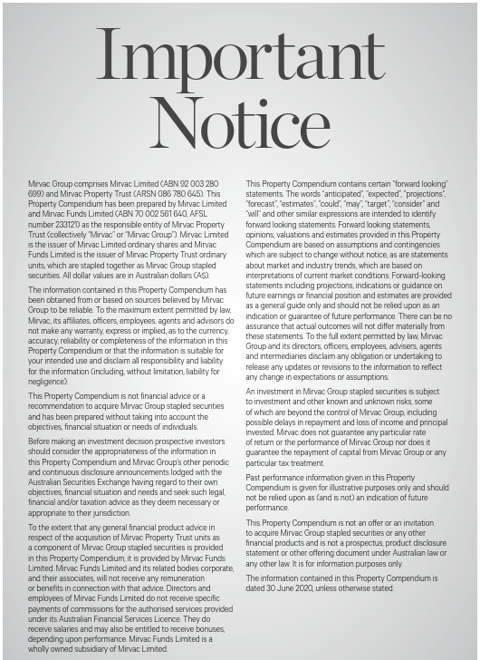

INVESTMENT PORTFOLIO
INVESTMENT: FY20 GEOGRAPHIC DIVERSIFICATION |  |  |  |  | INVESTMENT: FY20 DIVERSIFICATION BY SECTOR

NSW | 63% |  |  |  | Office | 64%
VIC | 19% |  |  |  | Industrial | 8%
QLD | 11% |  |  |  | Retail | 28%
WA | 4% |  |  |  |  | 100%
ACT | 3%
 | 100%

INVESTMENT: LEASE EXPIRY PROFILE (by income)

Year | Vacant | FY21 | FY22 | FY23 | FY24 | FY25 | FY26+
Expiry profile | 2% | 14% | 10% | 9% | 10% | 11% | 44% | 100%

OFFICE PORTFOLIO
OFFICE: FY20 DIVERSIFICATION BY GRADE |  |  |  |  |  |  | OFFICE: FY20 GEOGRAPHIC DIVERSIFICATION

Premium | 35% |  |  |  |  |  | Sydney | 57%
A Grade | 61% |  |  |  |  |  | Melbourne | 29%
B Grade | 3% |  |  |  |  |  | Perth | 6%
Other | 1% |  |  |  |  |  | Brisbane | 4%
 | 100% |  |  |  |  |  | Canberra | 4%
 |  |  |  |  |  |  |  | 100%

OFFICE: LEASE EXPIRY PROFILE (by income)

Year | Vacant | FY21 | FY22 | FY23 | FY24 | FY25 | FY26+
Expiry profile | 2% | 10% | 8% | 7% | 9% | 12% | 52% | 100%

INDUSTRIAL PORTFOLIO
INDUSTRIAL: FY20 GEOGRAPHIC DIVERSIFICATION |  | INDUSTRIAL: LEASE EXPIRY PROFILE (by income)

Sydney | 100% | Year | Vacant | FY21 | FY22 | FY23 | FY24 | FY25 | FY26+
 | 100% | Expiry profile | 1% | 11% | 4% | 5% | 14% | 4% | 61% | 100%

RETAIL PORTFOLIO
RETAIL: FY20 DIVERSIFICATION BY GRADE |  |  |  |  |  |  | RETAIL: FY20 GEOGRAPHIC DIVERSIFICATION

Regional | 43% |  |  |  |  |  | NSW | 66%
Sub regional | 23% |  |  |  |  |  | QLD | 29%
Outlet | 13% |  |  |  |  |  | VIC | 3%
CBD Retail | 12% |  |  |  |  |  | ACT | 2%
Neighbourhood | 9% |  |  |  |  |  |  | 100%
 | 100%

RETAIL: LEASE EXPIRY PROFILE (by income)

Year | Vacant | FY21 | FY22 | FY23 | FY24 | FY25 | FY26+
Expiry profile | 2% | 20% | 14% | 14% | 12% | 10% | 28% | 100%

