IMPORTANT NOTICE
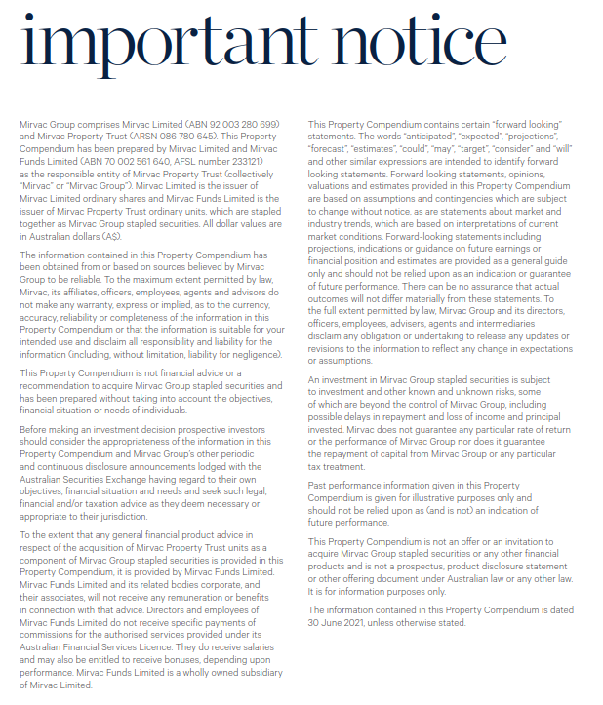

INVESTMENT PORTFOLIO
INVESTMENT: FY21 GEOGRAPHIC DIVERSIFICATION |  |  |  |  | INVESTMENT: FY21 DIVERSIFICATION BY SECTOR

NSW | 63% |  |  |  | Office | 62%
VIC | 20% |  |  |  | Industrial | 10%
QLD | 10% |  |  |  | Retail | 25%
WA | 4% |  |  |  | Build to Rent | 3%
ACT | 3% |  |  |  |  | 100%
 | 100%

INVESTMENT: LEASE EXPIRY PROFILE (by income)

Year | Vacant | FY22 | FY23 | FY24 | FY25 | FY26 | FY27+
Expiry profile | 4% | 13% | 10% | 9% | 10% | 7% | 47% | 100%

OFFICE PORTFOLIO
OFFICE: FY21 DIVERSIFICATION BY GRADE |  |  |  |  |  |  | OFFICE: FY21 GEOGRAPHIC DIVERSIFICATION

Premium | 38% |  |  |  |  |  | Sydney | 57%
A Grade | 60% |  |  |  |  |  | Melbourne | 29%
B Grade | 1% |  |  |  |  |  | Perth | 6%
Other | 1% |  |  |  |  |  | Canberra | 4%
 | 100% |  |  |  |  |  | Brisbane | 4%
 |  |  |  |  |  |  |  | 100%

OFFICE: LEASE EXPIRY PROFILE (by income)

Year | Vacant | FY22 | FY23 | FY24 | FY25 | FY26 | FY27+
Expiry profile | 5% | 8% | 8% | 7% | 11% | 7% | 54% | 100%

INDUSTRIAL PORTFOLIO
INDUSTRIAL: FY21 GEOGRAPHIC DIVERSIFICATION |  | INDUSTRIAL: LEASE EXPIRY PROFILE (by income)

Sydney | 100% | Year | Vacant | FY22 | FY23 | FY24 | FY25 | FY26 | FY27+
 | 100% | Expiry profile | 0% | 3% | 7% | 16% | 4% | 5% | 65% | 100%

RETAIL PORTFOLIO
RETAIL: FY21 DIVERSIFICATION BY GRADE |  |  |  |  |  |  | RETAIL: FY21 GEOGRAPHIC DIVERSIFICATION

Regional | 43% |  |  |  |  |  | NSW | 65%
Sub regional | 23% |  |  |  |  |  | QLD | 30%
Outlet | 12% |  |  |  |  |  | VIC | 3%
CBD Retail | 11% |  |  |  |  |  | ACT | 2%
Neighbourhood | 11% |  |  |  |  |  |  | 100%
 | 100%

RETAIL: LEASE EXPIRY PROFILE (by income)

Year | Vacant | FY22 | FY23 | FY24 | FY25 | FY26 | FY27+
Expiry profile | 3% | 25% | 15% | 13% | 11% | 7% | 26% | 100%

